1. Title Page
Instacart Data Analysis Project

Project Name: Instacart Company - Analysis Project
Date: 29/11/2024
Analyst Name: Dana Camila, Roggero.

Contents:
Population Flow
Consistency checks
Wrangling steps
Column derivations
Visualizations
Recommendations

Data Source
“The Instacart Online Grocery Shopping Dataset 2017”, Accessed from www.instacart.com/datasets/grocery-shopping-2017 via Kaggle on 9/4/2024.
The customer data you explored, as well as the “prices” column in the products data set, were both fabricated for the purpose of this course

2. Population Flow
Title page
Population flow

Exclusion flag
Condition: max_order < 5
Obervations to be removed: 1,444,295
Final total count of order_products_all: 30,964,564

Orders_products_merged
Orders_products_merged
Orders_products_customers

Total: 32,404,858
Total: 32,434,488
Total: 32,404,858

1.) The grey boxes in the first row of the population flow represent the original data sets as they were when you downloaded them. In the Total fields you need to add the count of the rows when you imported the data set into Jupyter.
2.) The second row of boxes (coloured) represents the data sets after you manipulated them, e.g., removed missing values and duplicates. In the Total fields you need to add the count of the rows after conducting these operations. This offers a visual oveview of how the data flows throughout the data consistency checks.
3.) The third row, where also the arrows are coloured, represents the merges you performed between the datasets. In the Total fields you need to add the count of the rows in the merged datasets, so that you end up with the final dataset (in the red box). Keep in mind the final dataset should be without exclusions (based on the exclusion flag).

3. Consistency checks
 |  |  |  | Title page
Consistency checks

Dataset | Missing values | Missing values treatment | Duplicates
Orders | 206,209 in the 'days_since_last_order' column | Flagged as first_order | No duplicates
Products | 16 missing 'product_name' | Deleted rows missing data | 5 duplicates, deleted
Orders_products_prior | None | None | No duplicates
Customers | None | None | No duplicates
Orders_products_customers | prices over $100 marked as missing | changed to Nan

4. Wrangling steps
 |  |  |  | Title page
Wrangling steps

Columns dropped | Columns renamed | Columns' type changed | Reason
 |  | order_id | data type change, integer to string
 |  | user_id | data type change, integer to string
 | order_dow to orders_day_of_week |  | clarity
 | First Name to first_name |  | maintain naming convention
 | Surname to last_name |  | maintain naming convention
 | gender to Gender |  | maintain naming convention
 | STATE to State |  | maintain naming convention
 | age to Age |  | maintain naming convention
 |  | first_name | data type change, mixed to string
Unnamed xx |  |  | Unnecesary column
_merged |  |  | Unnecesary column

5. Column derivations
 |  |  |  | Title page
Column derivations and aggregations

Dataset | New column | Column/s it was derived from | Conditions
ords_prods_merge | price_range | prices | if prices <= 5 then 'low-range product' if prices >5 & <= 15 then 'mid-range product' if prices > 15 then 'high-range product' else 'not enough data'
ords_prods_merge | busiest_day | orders_day_of_week | if value == 0 then 'busiest day' if value == 4 then 'least busy' else 'regularly busy'
ords_prods_merge | busiest_days | orders_day_of_week | if value == 0 or 1 then 'busiest days' if value == 3 or 4 then 'slowest days' else 'regularly busy'
ords_prods_merge | busiest_period_of_day | hour_of_day | if value == 10 or 11 then 'most orders' if value == 3 or 4 then 'fewest orders' else 'average orders'
ords_prods_merge | loyalty_flag | max_order | if value > 40 then 'loyal customer' if value <= 40 & > 10 then 'regular customer' if value < 10 then 'new customer'
ords_prods_merge | mean_spend | prices | average price per customer
ords_prods_merge | spender_flag | mean_spend | if value > 10 then 'low spender' if value >= 10 then 'high customer'
ords_prods_merge | customer_frequency | days_since_prior_order | if value < 20 then 'non_frequent_customer' if value <= 20 & > 10 then 'regular customer' if value > 10 then 'frequent customer'
orders_products_customers | region | state | State defined into regions according to this List of regions of the United States
orders_products_customers | activity_flag | max_order | if value < 5 then 'low-activity customer' if value >= 5 then 'high-activity customer'
low_activity_excluded | income_group | income | if value > 150000 then 'high income' if value >= 55000 & < 150000 then 'middle income' if value < 55000 then 'low income'
low_activity_excluded | age_group | age | if value > 64 then 'senior' if value > 44 & <= 64 then 'middle-aged' if value > 25 & <= 44 then 'adult' if value <= 25 then 'young adult'
low_activity_excluded | dependants_flag | n_dependants | if value == 0 then 'no dependants' if value >= 1 then 'has dependants'

first_order |  | price_range
False 30328763 |  | Mid-range product 673183
True 2076096 |  | Low-range product 314392
Name: count, dtype: int64 |  | High range 12425
 |  | Name: count, dtype: int64

busiest_day |  | busiest_days
Regularly busy 22416875 |  | Regularly busy 12916111
Busiest day 6204182 |  | Busiest days 11864412
Least busy 3783802 |  | Slowest days 7624336
Name: count, dtype: int64 |  | Name: count, dtype: int64

busiest_period_of_day |  | loyalty_flag
Average orders 26802436 |  | Regular customer 15876776
Most Orders 5497900 |  | Loyal customer 10284093
Fewest orders 104523 |  | New customer 6243990
Name: count, dtype: int64 |  | Name: count, dtype: int64

spending_flag |  | customer_frequency
Low spender 31770614 |  | Frequent customer 21559853
High spender 634245 |  | Regular customer 7208564
Name: count, dtype: int64 |  | Non-frequent customer 3636437
 |  | Name: count, dtype: int64

activity_flag |  | income_group
high-activity customer 30964564 |  | middle-income 22617642
low-activity customer 1440295 |  | low-income 4452388
Name: count, dtype: int64 |  | high-income 3894534
 |  | Name: count, dtype: int64

age_group |  | dependants_flag
middle-aged 9690051 |  | has dependants 23224883
adult 9214451 |  | no dependants 7739681
senior 8195544 |  | Name: count, dtype: int64
young adult 3864518
Name: count, dtype: int64

6. Visualizations
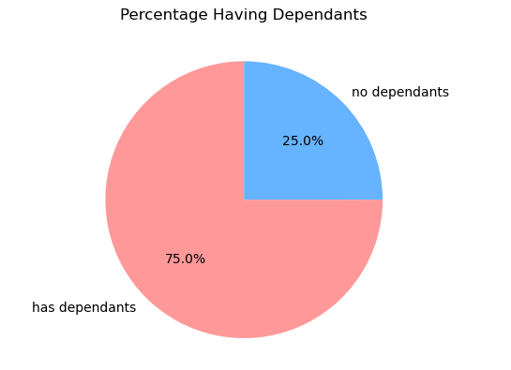
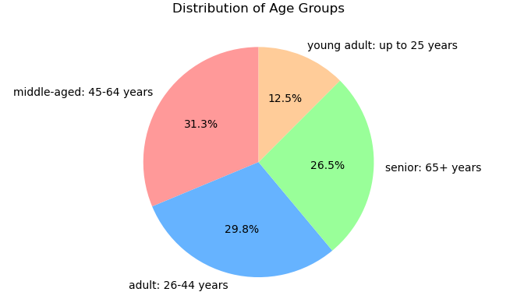
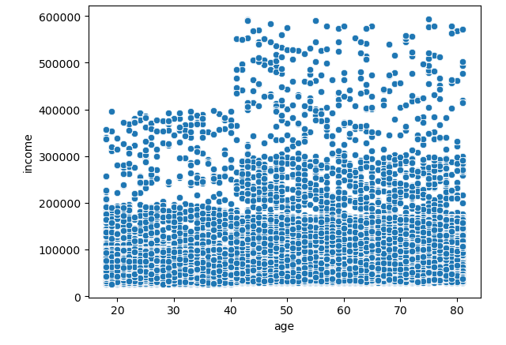
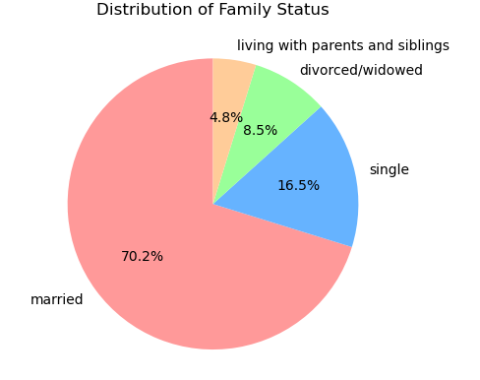
 |  | Title page
Visualizations

 | Question
 | From the Sales Team: What are the busiest days of the week and hours of the day?

 | Results
 | Saturday and Sunday are the busiest day of the week. Tuesday and Wednesday are the least bust days of the week.
 | Most orders are between 9 am and 16 pm with a peak at 10am to 11am
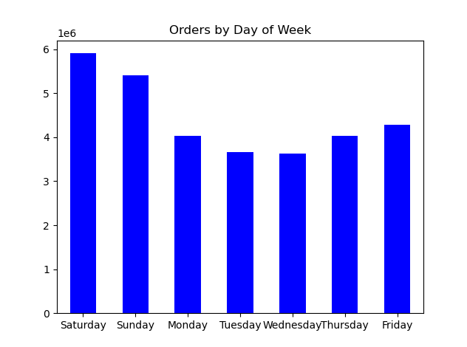
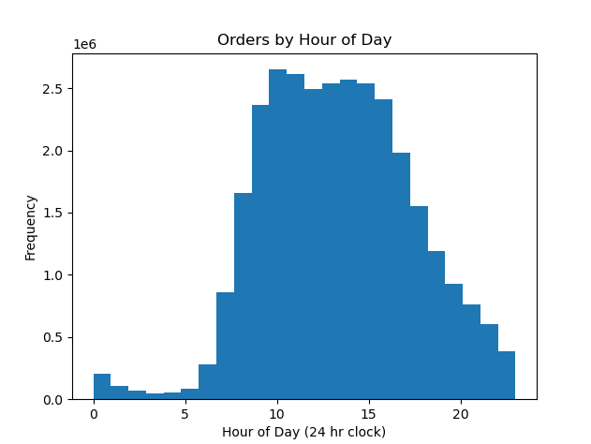

 | Question
 | From the Sales Team: Are there particular times of day when people spend the most money?

 | Results
 | Sales are higher during the morning until around 10 am, where graphic shows a small decrease after this time
 | Additionally, sales are higher during the weekend, especically Saturday and Sunday
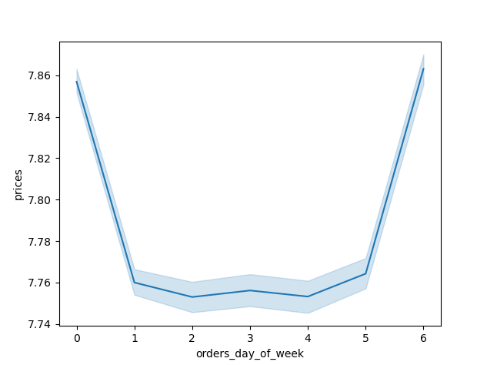
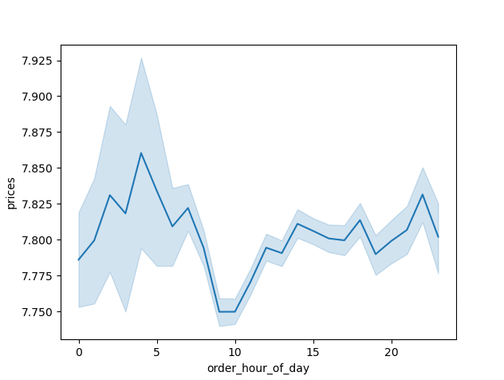
Spending by Hour of the Day
Spending by Day of Week

 | Question
 | Marketing and Sales Team: Are there certain products that are more popular than others?

 | Results
 | The departments that have sold the most orders are: produce, dairy eggs, snacks & beverages.
 | Additionally, all age groups also show preferences for these products mostly.

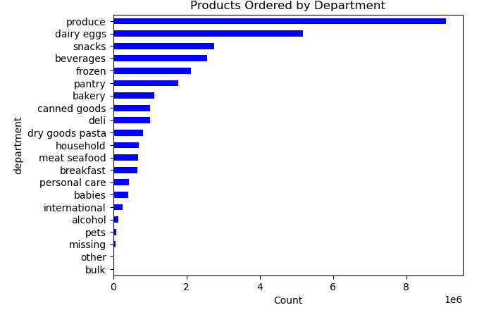

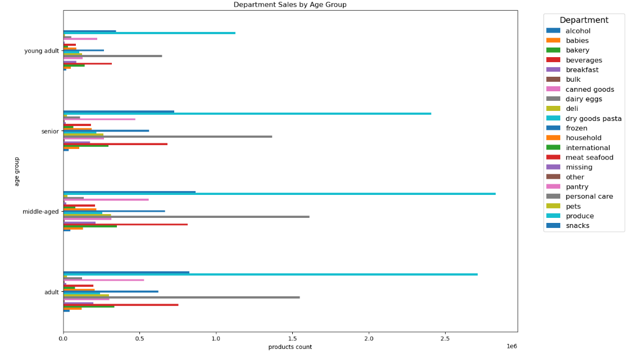

 | Question
 | Marketing and Sales Team: What is the distribution among users?

 | Commentary
 | Most of Instacart's loyal customers are middle-age and middle-income.
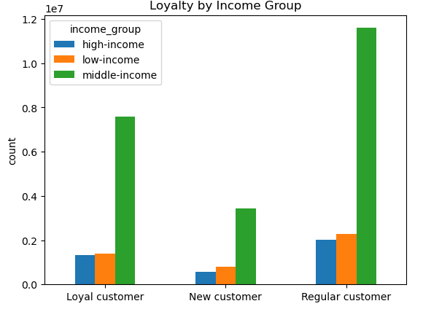
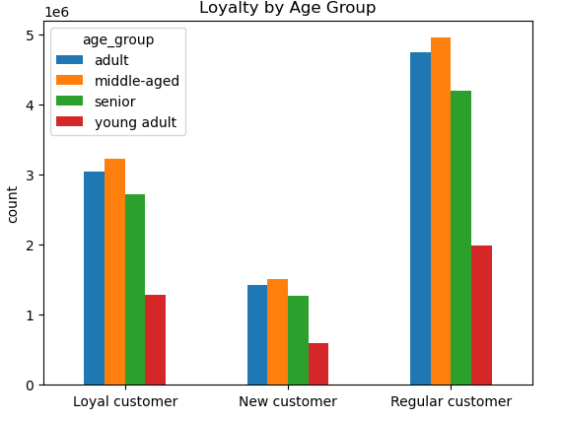

 | Question
 | Marketing and Sales Team: Are there differences in ordering habits based on loyalty status?

 | Results
 | Most of Instacart's loyal customers are low spenders.

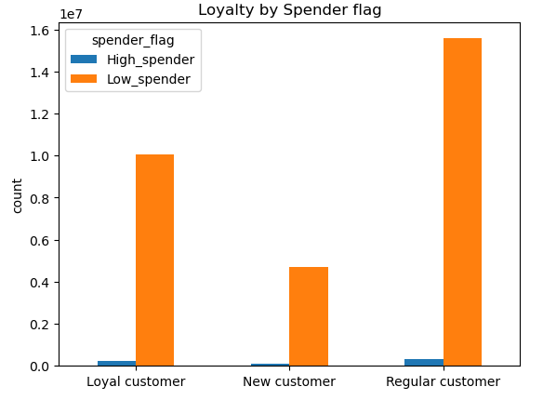

 | Question
Marketing and Sales Team: Are there differences in ordering habits based on region?

Result
Customers in the South and the West are the biggest consumers of produce, snacks and dariy eggs.

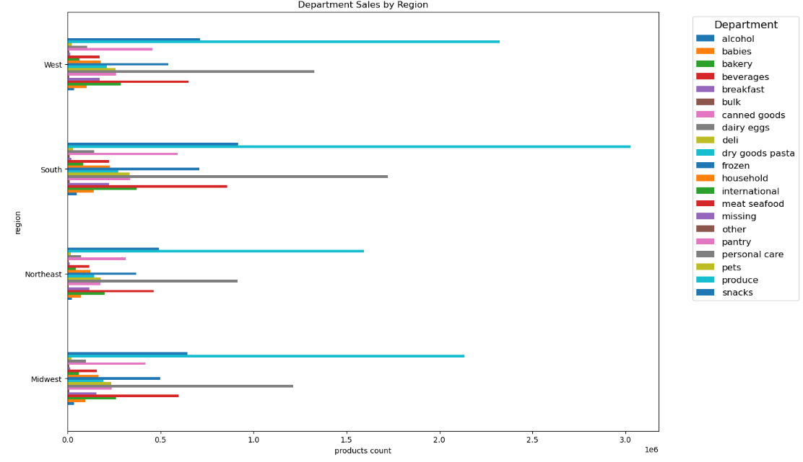

 | Question
 | Marketing and Sales Team: Is there a connection between age and family status and ordering habits?

 | Results
 | Most Instacart customers are adults or middle-aged, married & have dependants

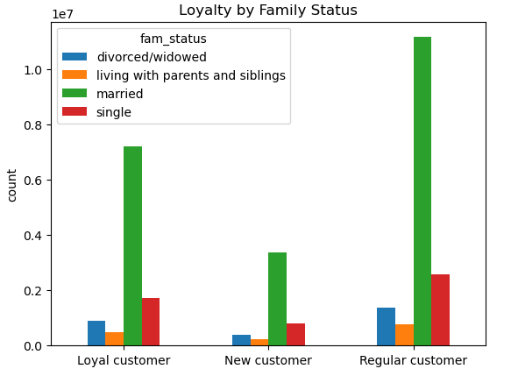

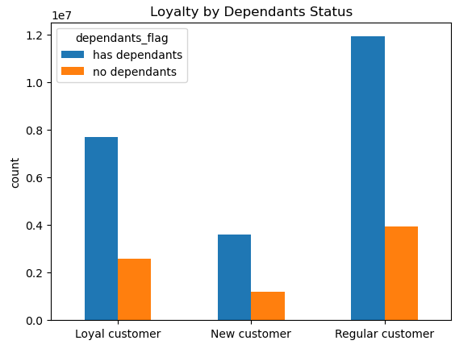

 | Question
 | Marketing and Sales Team: What different classifications does the demographic information suggest? Age? Income? Certain types of goods? Family status??

 | Results
 | Most customers are adult or middle-aged, married, and have dependants. Also the customers in the Upper income bracket tend to be over 40.

7. Recommendations
 |  |  | Title page
Recommendations

Question | Answer | Recommendations
What are the busiest days of the week and hours of the day? | Saturday and Sunday are the busiest day of the week. Tuesday and Wednesday are the least busydays of the week. Most orders are between 9am and 4pm with a peak at 10am to 11am. | Since the days with the most sales are Saturdays and Sundays, my recommendation is to publish offers on weekdays, thus increasing sales during the week as well. Or, for example, offer special discounts on best-selling products on Wednesdays.
Are there particular times of day when people spend the most money? | Sales are higher in the morning. | In this case, my recommendation would be to check the correct functioning of the Instacart App mostly in the morning, to avoid any complications.
Are there certain products that are more popular than others? | Produce, Dairy/eggs, snacks, and beverages are the biggest sellers by department. | My recommendation is to control the permanent stock of these products to avoid stock shortages. On the other hand, coupons and special offers of these products can be implemented on weekends, which are the days of highest sales.
Are there differences in ordering habits based on loyalty status? | The most loyal customer are Low-Spenders. | Give special offers and coupons to loyal customers so they spend more with your company.
Are there differences in ordering habits based on region? | Customers in the South and the West have the largest sales of produce, snacks and dariy/eggs. | Increase advertising and promotions in regions when there are fewer customers.
What is the distribution among users as to how often they return to Instacart? Is there a connection between age and family status and ordering habits? What different classifications does the demographic information suggest? Age? Income? Certain types of goods? Family status? | Most Instacart customers are: adults or middle-aged, married, and have dependants. Also those in the upper income bracket tend to be over 40. | Since Instacart's customer profile is families, my recommendation is to put together family packs with different daily food products.roducts to those in the high-income group over 40.
What differences can you find in ordering habits of different customer profiles? Consider the price of orders, the frequency of orders, the products customers are ordering. | The key demographic for those using Instacart are adult to middle-age, & middle-income parents. On the other hand, there is a big quantity of productos sold in this departments : Produce, Dairy/eggs, snacks, and beverages. But very low sales in the other departmens. | Since there is low sales in some categories, i recomend to do special offers to this products.

